Version
 | VERSION
 | XX.XX.X

NAIC Liquidity Stress Test 2024 Template

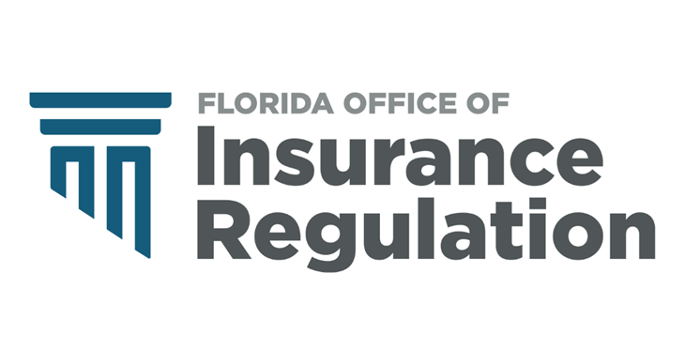

Form OIR-D0-XXX
Effective Date XX/XX
69O-143.046, Florida Administrative Code

